curves
To Find Cv |  |  | To Find Flow |  |  | To Find PSI Drop

Known values |  |  | Known values |  |  | Known values
Delta P (PSI) | 2.6 |  | Delta P (PSI) | 1 |  | Cv | 3.5
Flow (GPM) | 7 |  | Cv | 5 |  | Flow | 1

Calculated Value |  |  | Calculated Value |  |  | Calculated Value
Cv >>>>>>>>>> | 4.34 |  | Flow (GPM) >>>>>>> | 5.00 |  | Delta P (PSI) >>>>>>>> | 0.08

NA546350A Flow vs. Pressure Drop

 | Enter Cv Value below | Enter Cv Value below |  |  | Head loss
Flow | 1967 | 1967 |  | GPM | Ft/100 ft | PSID of pipe | Eq Ft of Pipe
0 | 0.000 | 0 |  | 0 | 0 | 0.000 | 0.0
250 | 0.016 | 0.02 |  | 1 | 0.44 | 0.189 | 8.5
500 | 0.065 | 0.06 |  | 2 | 1.44 | 0.619 | 10.4
750 | 0.145 | 0.15 |  | 3 | 2.91 | 1.251 | 11.6
1000 | 0.258 | 0.26 |  | 4 | 4.81 | 2.068 | 12.5
1250 | 0.404 | 0.40 |  | 5 | 7.11 | 3.057 | 13.2
1500 | 0.582 | 0.58 |  | 6 | 9.8 | 4.214 | 13.8
1750 | 0.792 | 0.79 |  | 7 | 12.86 | 5.530 | 14.3
2000 | 1.034 | 1.03 |  | 8 | 16.28 | 7.000 | 14.8
2250 | 1.308 | 1.31 |  | 9 | 20.06 | 8.626 | 15.2
2500 | 1.615 | 1.62 |  | 10 | 24.19 | 10.402 | 15.5
2750 | 1.955 | 1.95 |  | 11 | 28.66 | 12.324 | 15.9
3000 | 2.326 | 2.33 |  | 12 | 33.47 | 14.392 | 16.2
3250 | 2.730 | 2.73 |  | 13 | 38.61 | 16.602 | 16.4
3500 | 3.166 | 3.17 |  | 14 | 44.07 | 18.950 | 16.7
3750 | 3.635 | 3.63 |  | 15 | 49.86 | 21.440 | 17.0
4000 | 4.135 | 4.14 |  | 16 | 55.97 | 24.067 | 17.2
4250 | 4.668 | 4.67 |  | 17 | 62.39 | 26.828 | 17.4
4500 | 5.234 | 5.23 |  | 18 | 69.13 | 29.726 | 17.6
4750 | 5.831 | 5.83
5000 | 6.461 | 6.46
5250 | 7.124 | 7.12

 |  |  |  |  | To Find Cv

 |  |  |  |  | Known values
 |  |  |  |  | Delta P (PSI) | 2.91
 |  |  |  |  | Flow (GPM) | 3

 |  |  |  |  | Calculated Value
 |  |  |  |  | Cv >>>>>>>>>> | 1.76

velocity calc
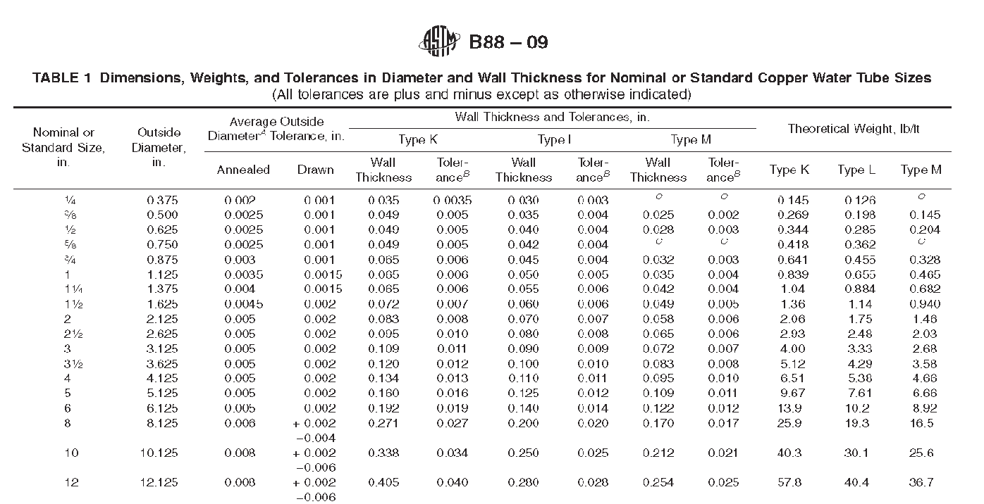
Nominal Pipe Diameter (reference) >>>>> | 2 | 2.5 | 3 | 4 | 5 | 6 | 8 | 10 | 12 | 14 | 16 | 18 | 22
Inside pipe diameter (schedule 40) | 2 | 2.469 | 3.068 | 4.026 | 5.047 | 6.023 | 7.981 | 10.02 | 12 | 14 | 15.25 | 17.5 | 21.5
Area of pipe (sq in) | 3.1 | 4.8 | 7.4 | 12.7 | 20.0 | 28.5 | 50.0 | 78.9 | 113.1 | 153.9 | 182.7 | 240.5 | 363.1

Flow rate (GPM) | 40 | 80 | 124 | 247 | 300 | 484 | 792 | 1330 | 1850 | 2500 | 3000 | 6800 | 6000
Calculated velocity (ft/sec) | 4.08 | 5.36 | 5.38 | 6.22 | 4.81 | 5.45 | 5.08 | 5.41 | 5.25 | 5.21 | 5.27 | 9.07 | 5.30

http://www.1728.com/flowrate.htm | <<< reference web page to check calculations

